Script
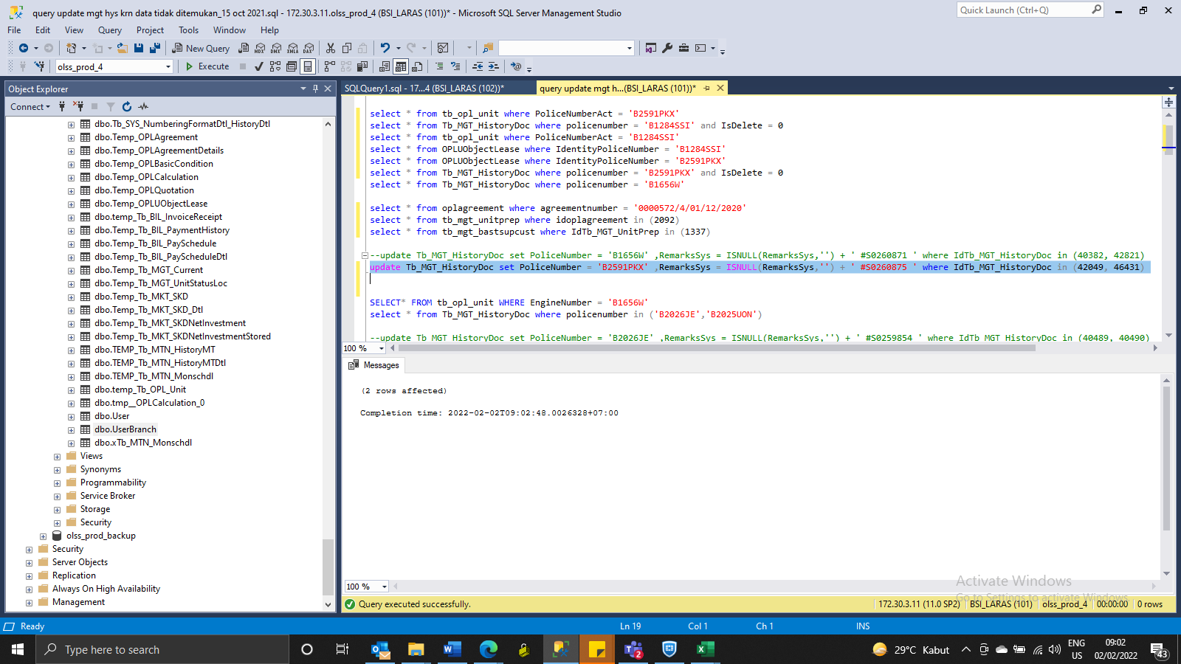
update Tb_MGT_HistoryDoc set PoliceNumber = 'B2591PKX' ,RemarksSys = ISNULL(RemarksSys,'') + ' #S0260875 ' where IdTb_MGT_HistoryDoc in (42049, 46431)

SS
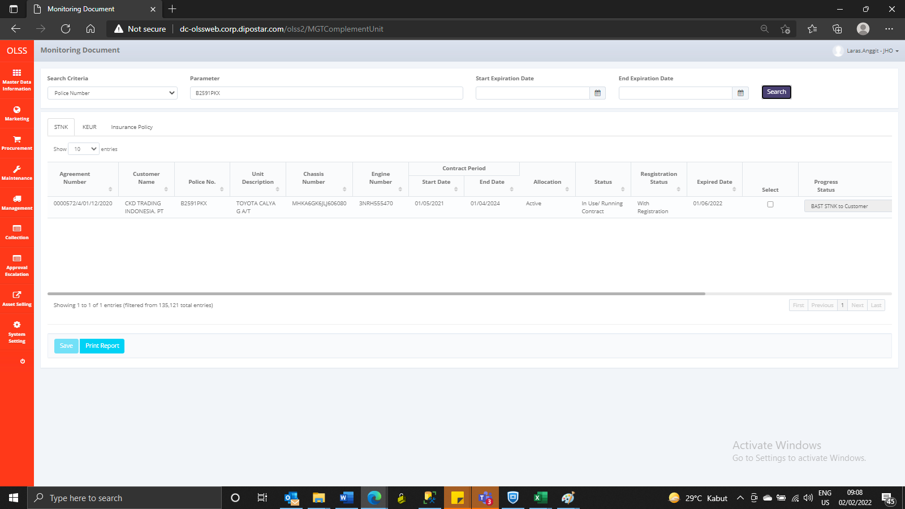
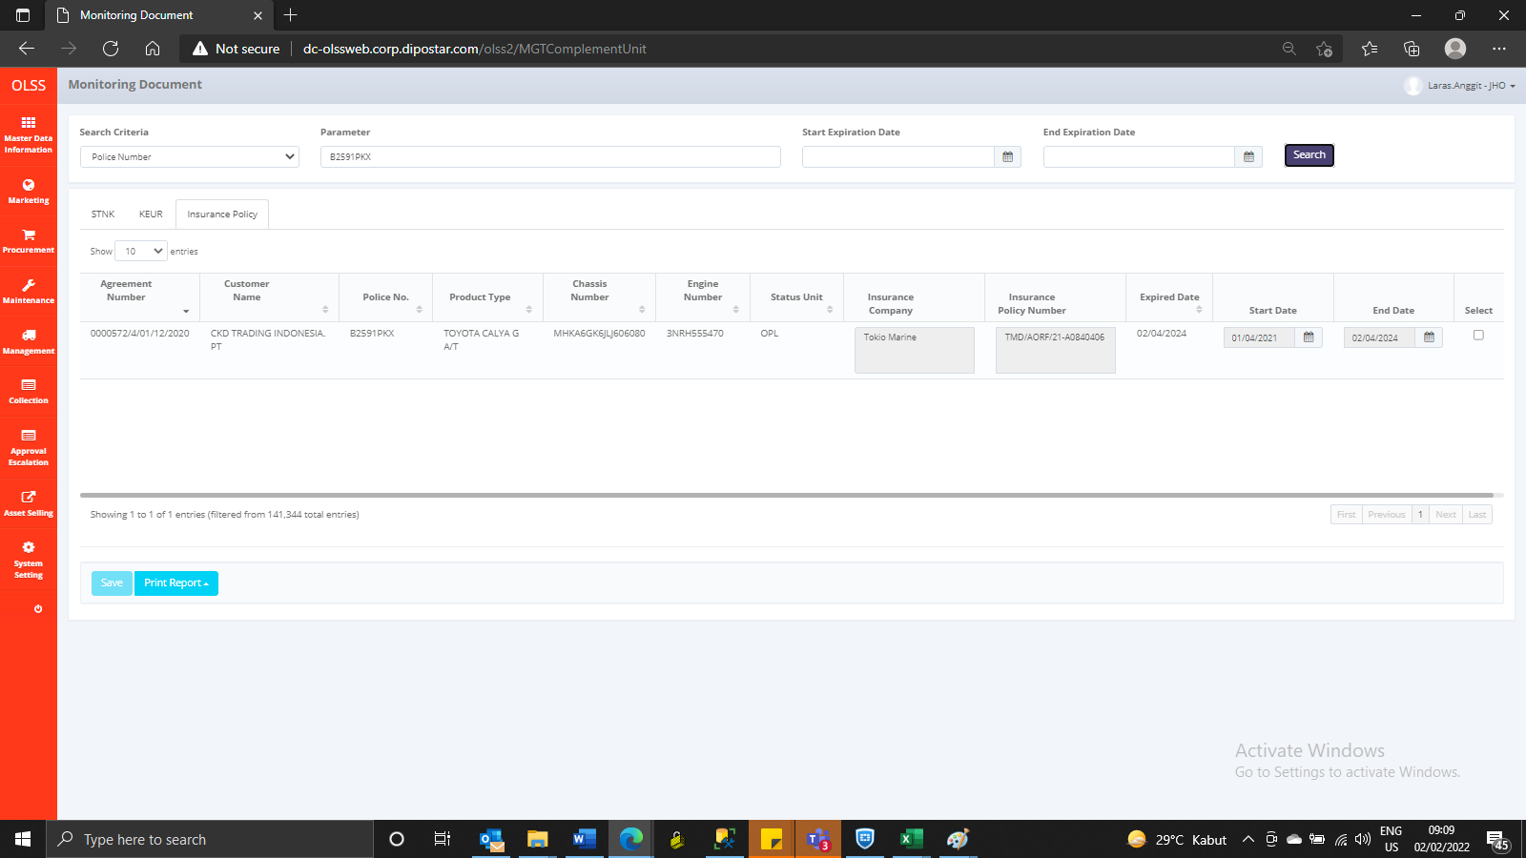
BEFORE
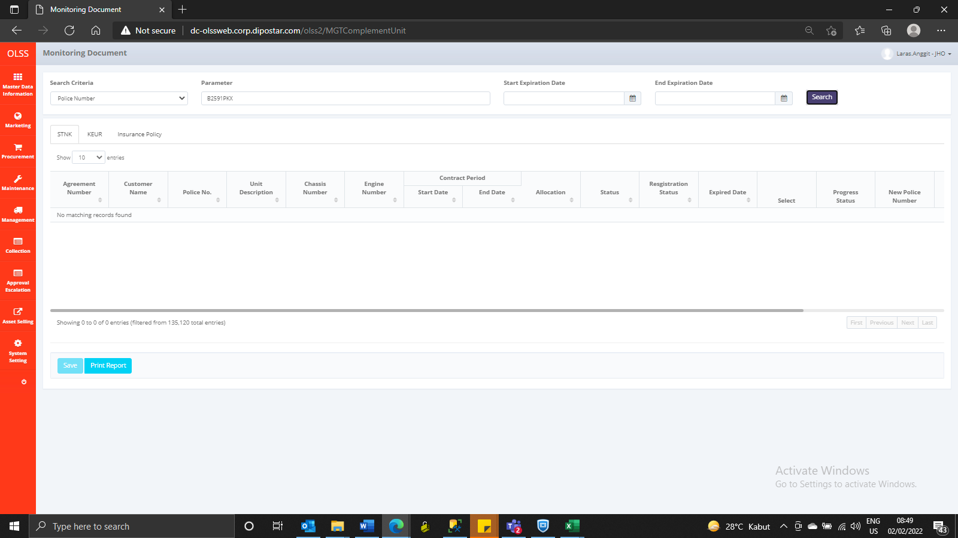



AFTER

